Sheet1
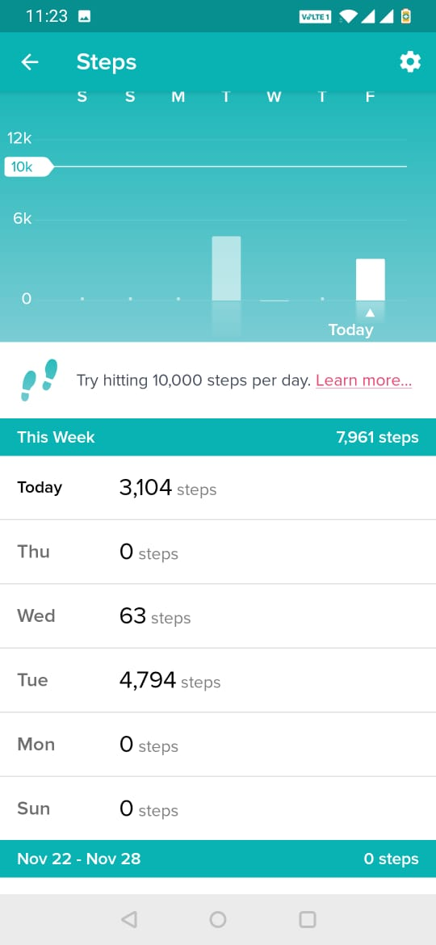
#LetsGetHealthy - WALKATHON CHALLENGE
Team Name | WeWalk |  |  | Comment : The Challenge leaderboard is not getting updated for most of team members. So, sharing individual's screenshots for the weekly scores!
Team Captain | Anmol Kaur
Uploaded by | Anmol Kaur
Date | 2020-12-05
Team Details
Sl. No. | Team Member Name | Total Steps
1 | Anav | 50000
2 | Anmol Kaur | 30784
3 | Madalsa Gupta | 26285
4 | Saurav Saxena | 25788
5 | Himanshu Mehta | 21502
6 | Deepak Mishra | 15834
7 | Dinesh Sharma | 9776
8 | Vinay Kumar | 7961
9 | Yogesh Goyal | 6699
10 | N/A
Team - Total Steps |  | 194629

Madalsa Gupta |  |  | Deepak Mishra |  |  | Yogesh Goyal |  | Himanshu Mehta
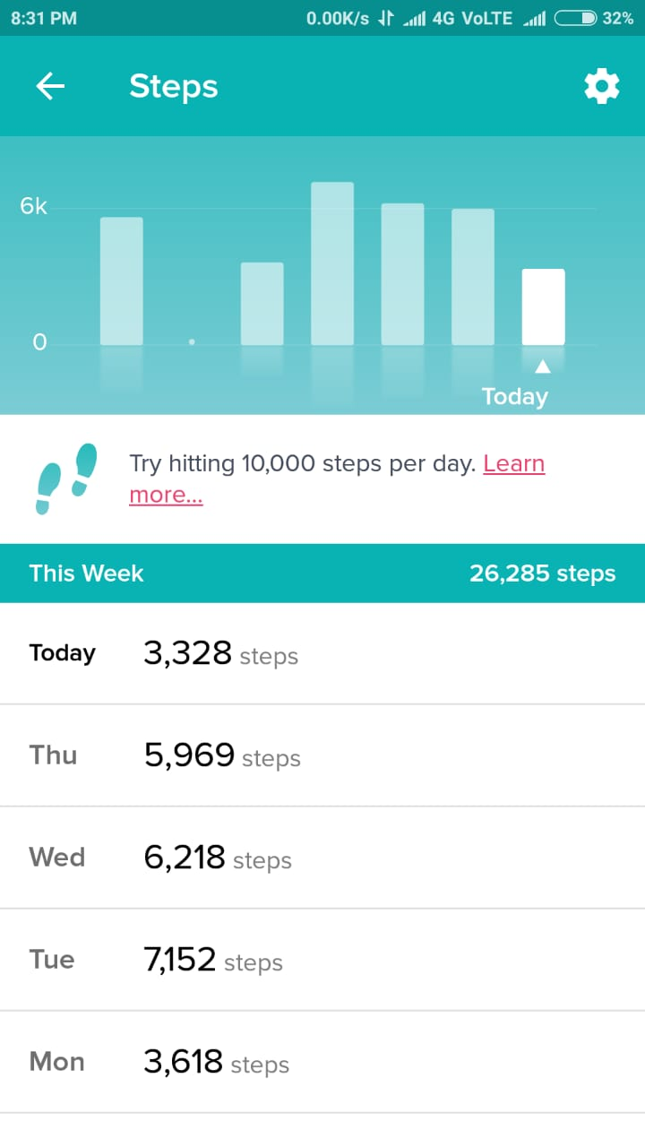
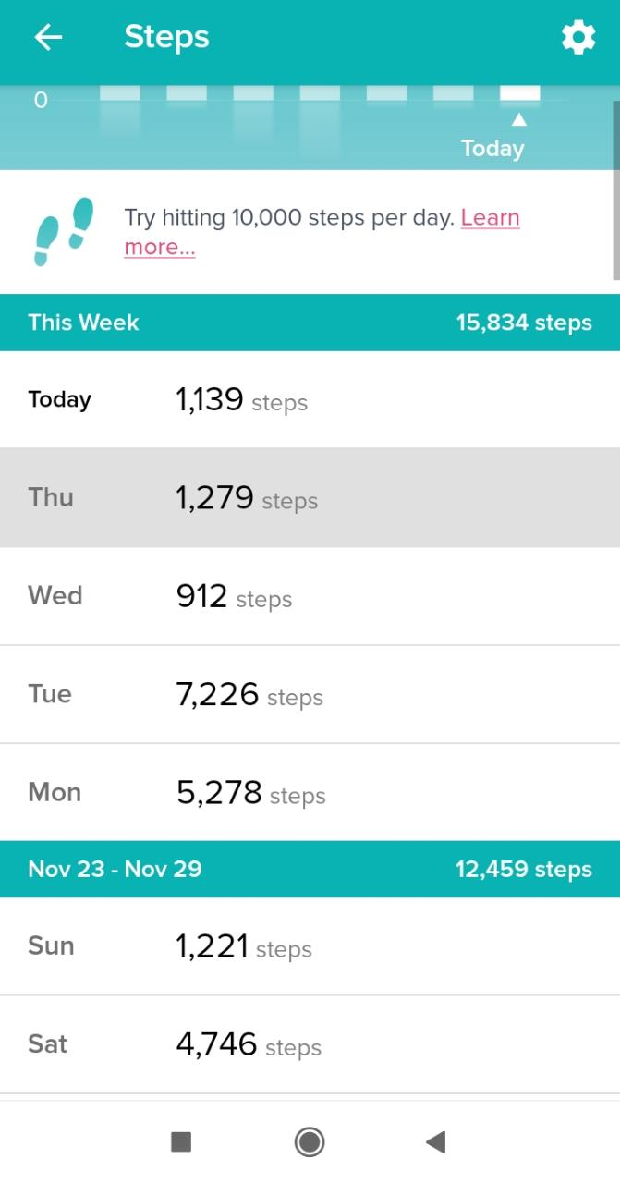
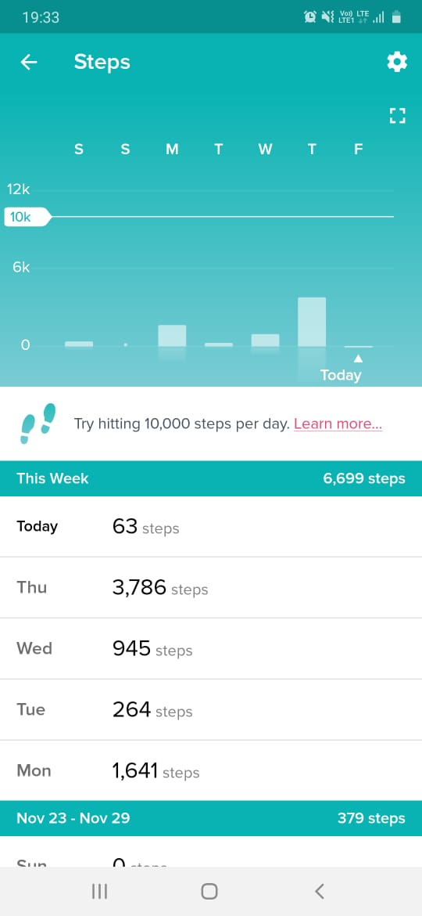
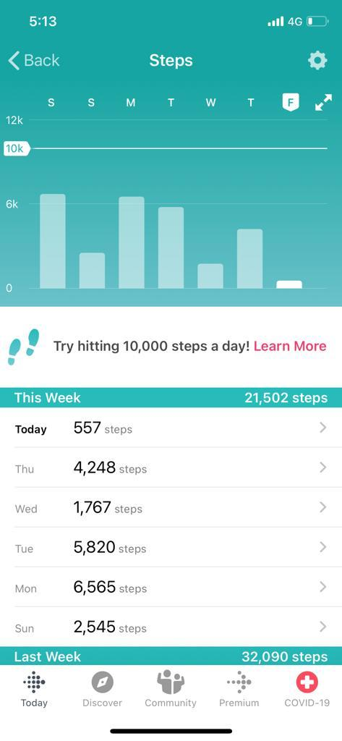

Saurav Saxena |  | Anmol Kaur |  |  | Dinesh Sharma |  | Anav

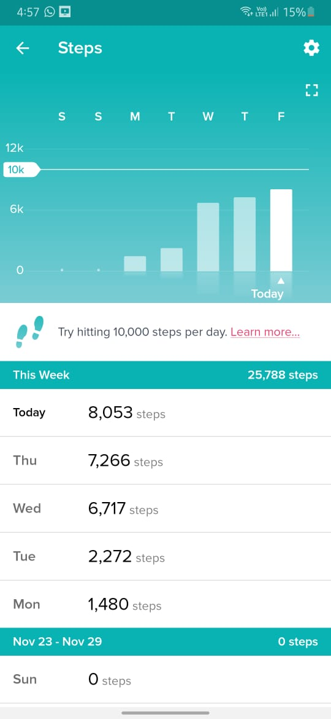
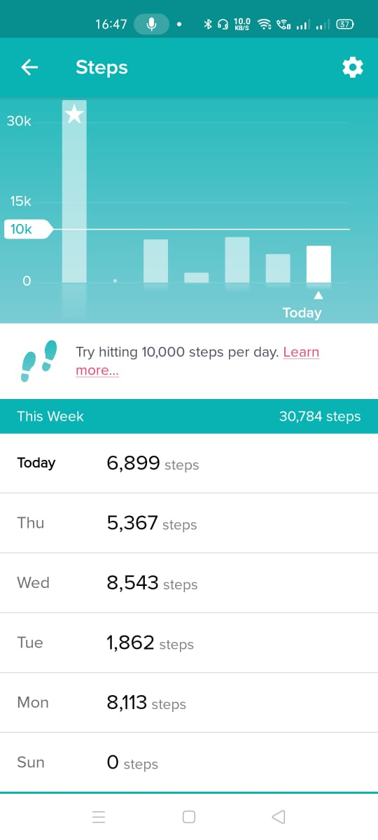
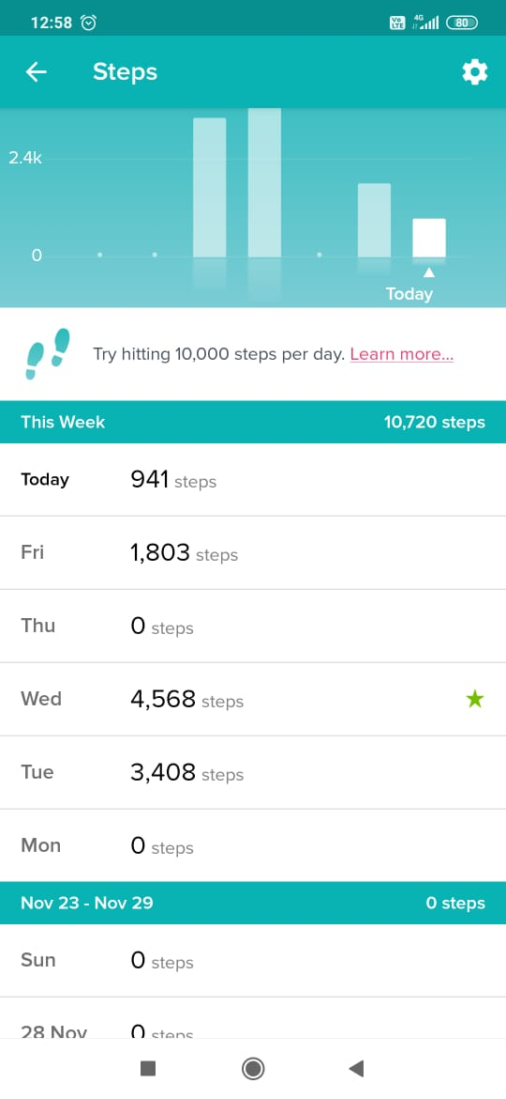
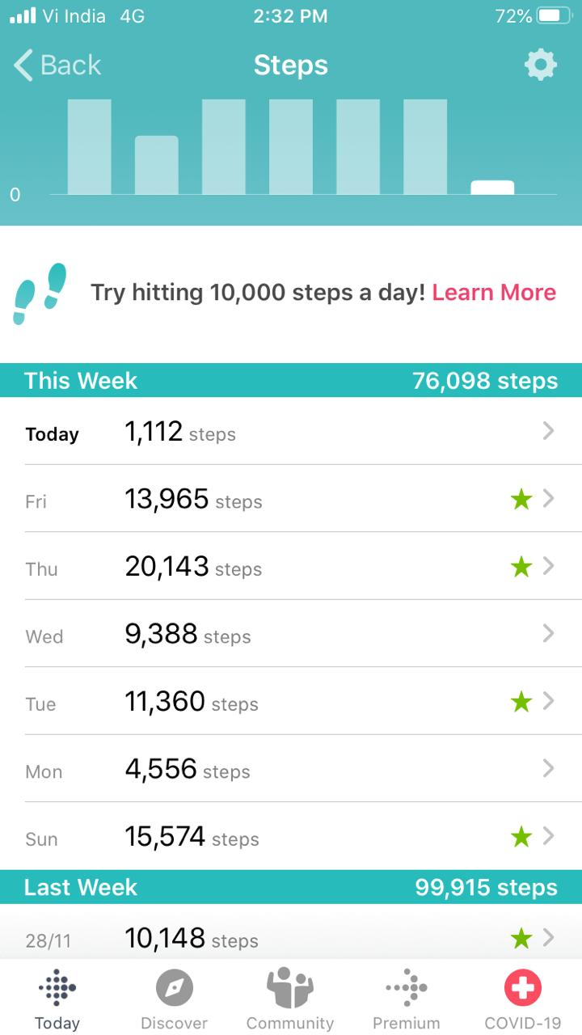

 |  |  |  |  |  |  | *For Anav, 50000 steps were recorded on foot and rest on bicycle for testing purposes. We have kept the count of steps as 50k only.

Vinay Kumar

